Sheet1
Question | Your Query /Code | Your Result
Q1: What are all job titles and the corresponding salaries in USD? | select distinct job_title, salary_in_usd from jobs_data order by job_title,salary_in_usd; | 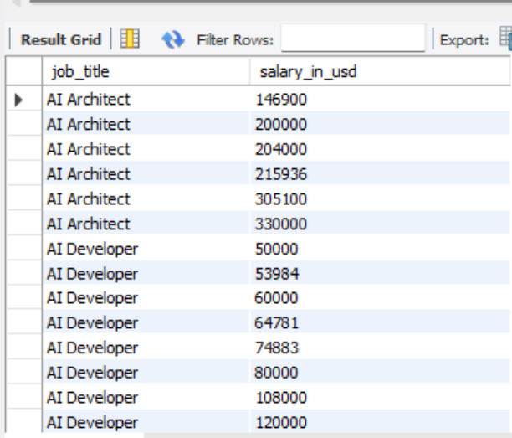
Q2: What are jobs that are categorized under 'Data Scientist' or 'Data Analyst' and display their work year and salary. | select distinct job_title, job_category, work_year, salary from jobs_data where job_title = 'Data Scientist' or job_title = 'Data Analyst' order by 1,2,3,4; | 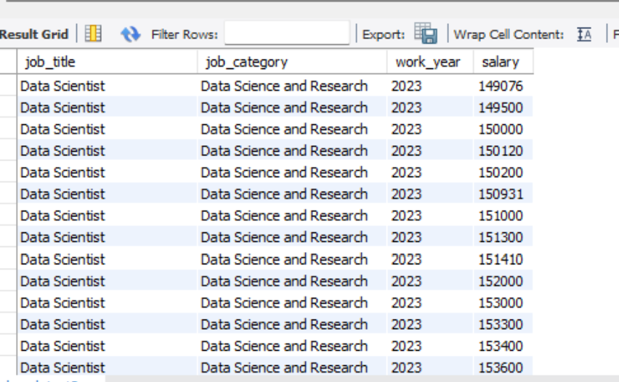
Q3: What are employees who have 'Senior' experience level and are employed full-time, including their job titles, experience levels, and employment types? | select distinct experience_level, employment_type, job_title from jobs_data where experience_level= 'Senior' and employment_type= 'Full-time' order by 1,2,3; | 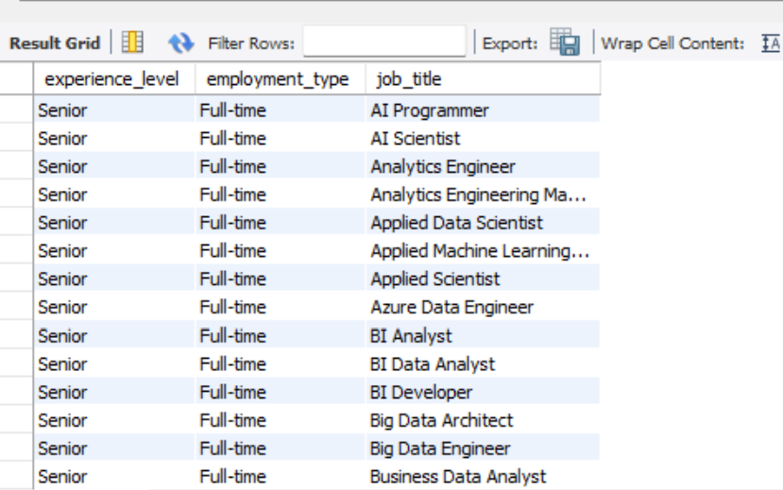
Q4: What are all jobs where the salary in USD is above $100,000, including their job titles, salaries in USD, and company locations? | select job_title, salary_in_usd, company_location from jobs_data where salary_in_usd > 100000; | 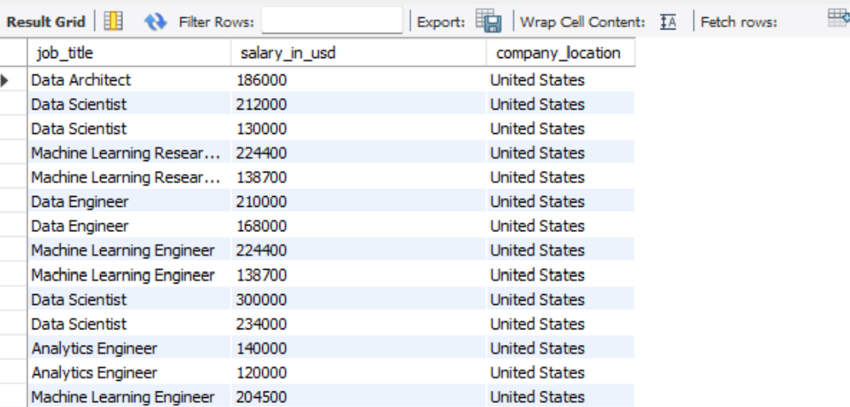
Q5: What are jobs located in 'US' with a work setting of 'Remote', along with their job titles, company sizes, and salaries in USD? | select company_location, work_setting, job_title, company_size, salary_in_usd from jobs_data where company_location='United States' and work_setting='Remote'; | 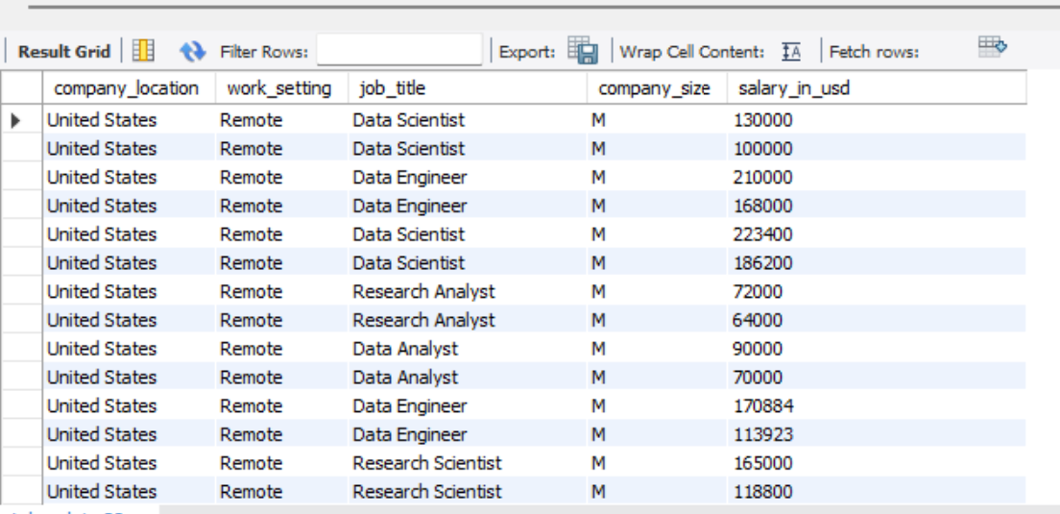
Q6: For all employees with a senior experience level ('Senior') and a company size of 'Large', find their job titles, company locations, and salaries? | select experience_level, company_location, job_title, company_size, salary from jobs_data where experience_level='Senior' and company_size='L'; | 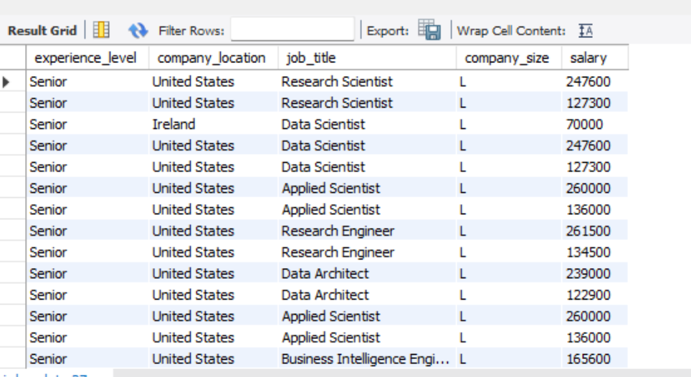
Q7:Can you list the average salary in USD for each job title? | select job_title, avg(salary_in_usd) from jobs_data group by job_title order by job_title; | 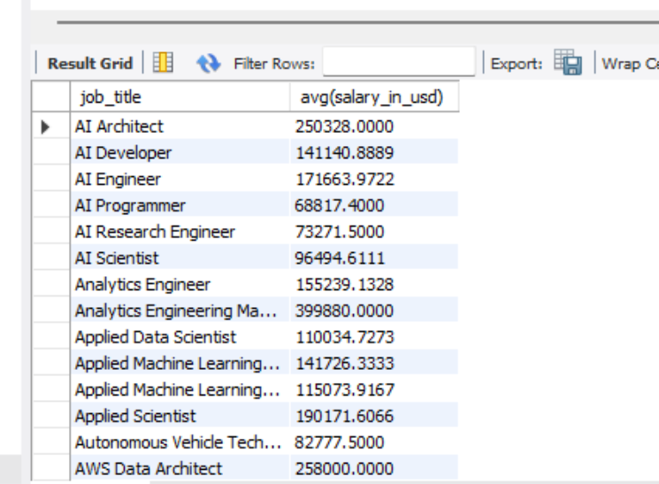
Q8: Find any employees with incorrect employment type marked as 'PT' (part-time) but whose salary indicates they are full-time (salary above $50,000), and update their employment types to 'FT'. | SET SQL_SAFE_UPDATES = 0; update jobs_data set employment_type='Full-time' where salary > 50000 and employment_type='Part-time'; SET SQL_SAFE_UPDATES = 1; | 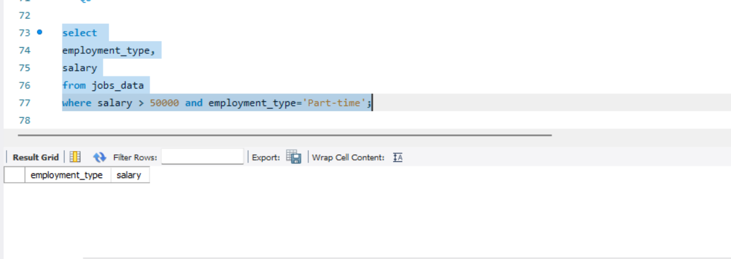
Q9: What are records where the job title is missing or listed as 'Unknown', and update these records with the job title 'Data Specialist'? | SET SQL_SAFE_UPDATES = 0; update jobs_data set job_title ='Data Specialist' where job_title ='Unknown' or job_title = '';
Q10: What is the action to delete all records from the job_listings table where the salary is below $70,000? | delete from jobs_data where salary<70000;

